Premisas

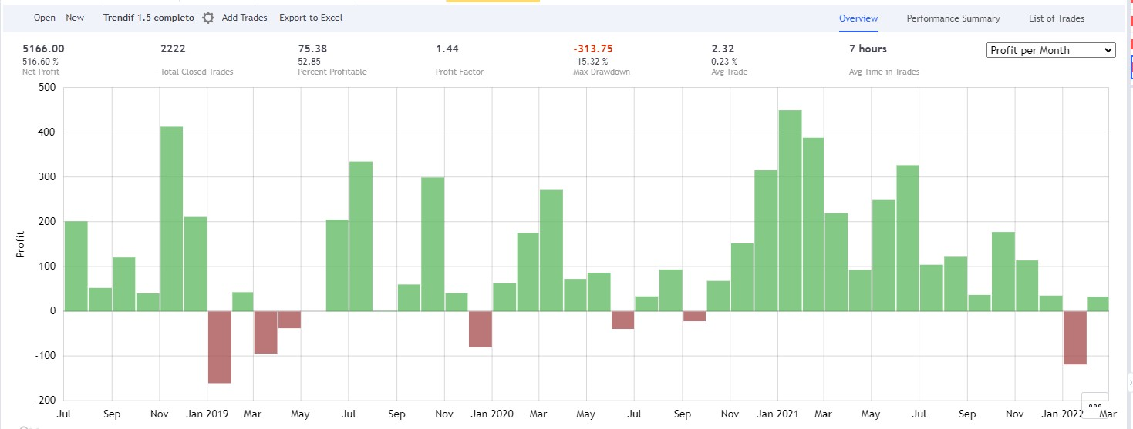
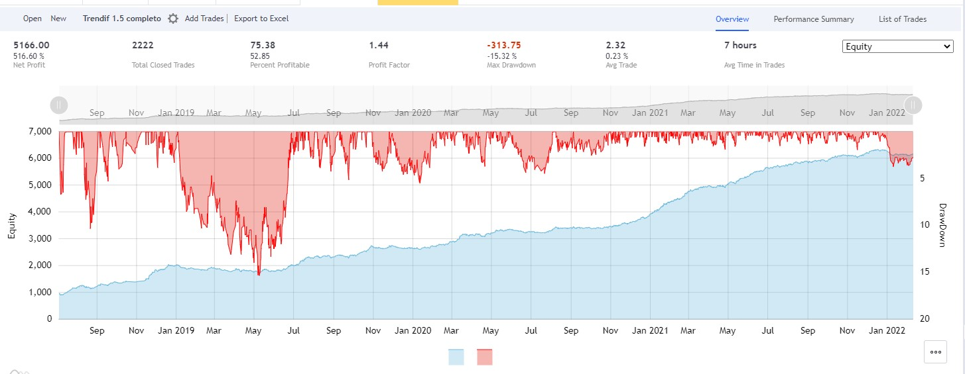
TRENDIFF STRATEGY
Leverage 5x withl 25% of the account
Max. Drawdown 25%
Timeframe to operate: 5 minutes

LONG |  |  | SHORT
Trendif area | +2 o +3 | (second candle since it activates) | Trendif area | -3 | (second candle since it activates)
Entry offset (limit Order) | 0.10% |  | Entry offset (limit Order) | 0.05%
Stop Loss | 2.20% |  | Stop Loss | 2.10%
Target | Pools larger than 7 M (100x; 50x; 25x), 8 consecutive |  | Target | Pools larger than 7 M (100x; 50x; 25x), 8 consecutive
Search Range | 3% |  | Search Range | 3%

Trade Management: | Partial Take profit | 25% of the position on the first pool larger than 7M (without meeting the condition of consecutiveness) | Trade Management | Partial Take Profit | 25% of the position on the first pool larger than 7M (without meeting the condition of consecutiveness)
 | Move BE | on the first Partial TP |  | Move BE | on the first partial TP
 | If Trendiff decreases | close at market or at BE |  | If Trendif decreases | close at market or at BE
 | If you closed at BE , SL or TP and Trendiff continues to show +2 or +3 | wait for 60 minutes and re-enter (as long as there is a take profit target) |  | If you closed at BE , SL or TP and Trendiff continues to show -3 | wait for 60 minutes and re-enter (as long as there is a take profit target)
 | If Trendiff increases from 2 to 3 | re-enter instantly (as long as there is a take profit target)

Extra tips:
Operate only in trends, avoid sideways movements.
Enter at the edge of the new range.
Take partial entries in 100x and 50x pools.

